Description_ROIC
รายละเอียดสูตร ROIC | Return on Invested Capital (ROIC) หรืออัตราส่วนผลตอบแทนต่อเงินลงทุนเพื่อการดำเนินงานของบริษัท
 | อัตราส่วนผลตอบแทนต่อเงินทุน = กำไรก่อนหักดอกเบี้ย / (ส่วนของผู้ถือหุ้นเฉลี่ย + หนี้สินระยะยาวเฉลี่ย)
ตัวเศษ : | เป็นอัตราส่วนที่บอกว่า เงินที่ลงทุนไปได้รับผลตอบแทนกลับมาเท่าไร
1. ใช้ Operating Profit for the Period (After Tax and NCI) | เงินลงทุนจะคำนวณจาก ส่วนของผู้ถือหุ้นเฉลี่ย และหนี้สินระยะยาวเฉลี่ย
2. บวกกลับ NCI (เพื่อหากำไร OPAT ก่อนหัก NCI) | เนื่องจากอยากรู้ว่าบริษัทจัดหาเงินมาจากแหล่งไหนอย่างไรซึ่งเงินลงทุนแต่ละแหล่งจะมีต้นทุนเงินทุนที่ไม่เท่ากัน
3. บวกกลับ Finance Cost-net Tax (Tax rate = 20%) | ต้นทุนเงินทุนของหนี้สิน คืออัตราดอกเบี้ย
4. Annualized (รายเดือน *12 , ราย Quarter * 4) | ต้นทุนเงินทุนของส่วนของผู้ถือหุ้น
5. บวกกลับรายการ Non Recurring Items ใหญ่ เช่น Impairment Q3 | เหตุผลที่ใช้กำไรก่อนหักดอกเบี้ยเนื่องจากดอกเบี้ยเป็นต้นทุนของเจ้าหนี้ เราอยากรู้ว่าผลตอบแทนที่บริษัทสร้างได้คุ้มกับต้นทุนเงินทุนหรือไม่ ตัวเศษเลยคิดจากกำไรก่อนหักดอกเบี้ย

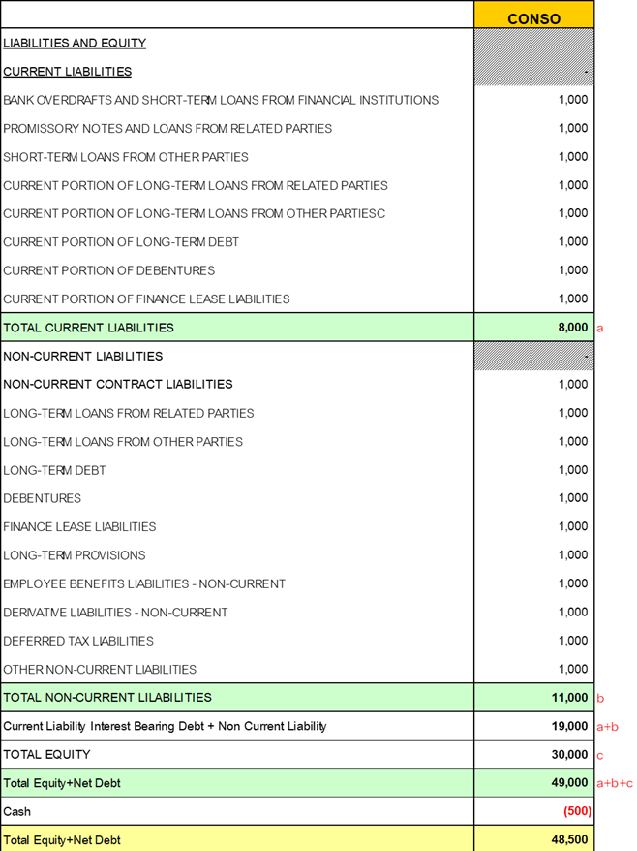
ตัวส่วน : Total Equity + Current Liability Interest Bearing Debt + Non Current Liability – Cash |  | Return on Invested Capital (ROIC) ลดลงเรื่อยๆ แสดงว่าบริษัทไม่สามารถสร้างผลตอบแทน
 |  | ให้มาสู่ผู้ถือหุ้นได้ อาจมาจากมีการเพิ่มทุนหรือกู้ยืมมาเยอะ ไม่ก็ลงทุนแล้วไม่คุ้มตามแผนงาน
 |  | ที่วางเอาไว้ เช่นลงทุนหนักเกิน ไม่ก็คุมรายได้ไม่ดี หรือตลาดไม่ดีอย่างที่หวังไว้ตอนแรก

 |  | ROIC เท่าไรจึงดี เราก็ต้องนำไปเที่ยบกับต้นทุนเงินทุนถัวเฉลี่ยถ่วงน้ำหนัก WACC
 |  | ถ้าบริษัทสามารถทำ ROIC ได้มากกว่าต้นทุนเงินทุนถัวเฉลี่ยก็ถือว่าดี ระยะยาวจะเป็นการสร้างมูลค่าเพิ่มทางเศรษฐกิจ EVA ให้กับผู้ถือหุ้น

 |  | สรุปคือ ROIC เป็นการวัดผลตอบแทนที่ให้ภาพของผลตอบแทนจากเงินลงทุนที่ชัดเจนว่าโดยเฉลี่ยแล้วให้ผลตอบแทนกลับมาเท่าไรกับทุน
 |  | เราก็เอาไปเทียบกับ WACC ที่เราคำนวณได้เท่านั้นเอง

